Sheet1
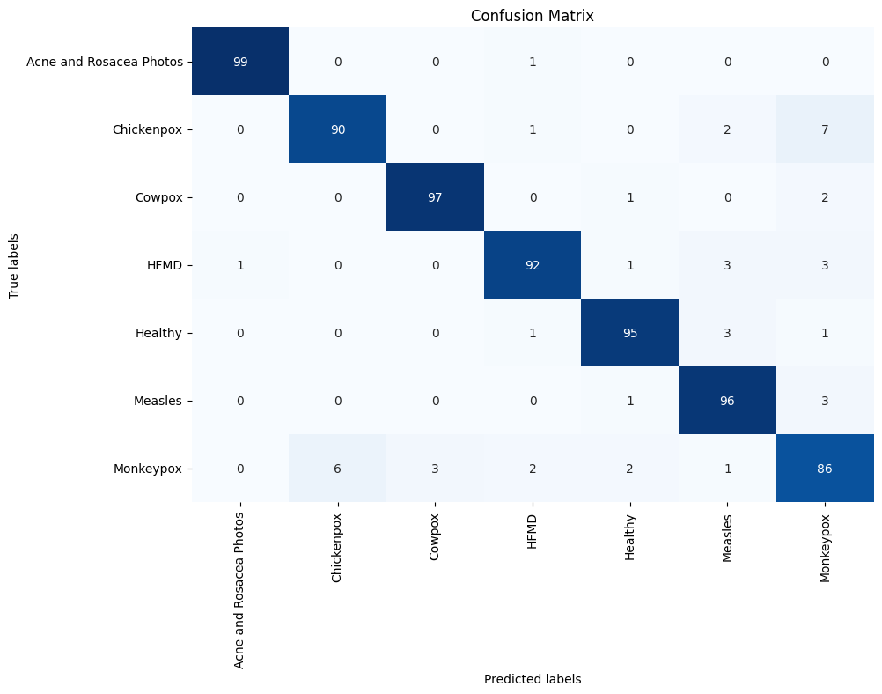
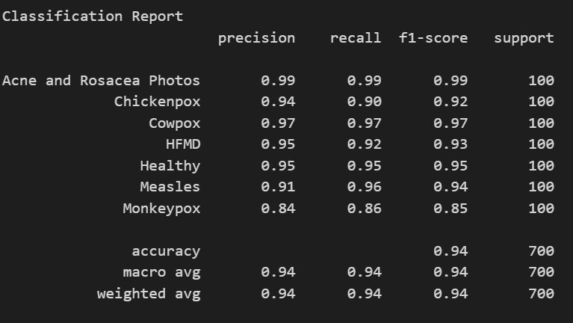
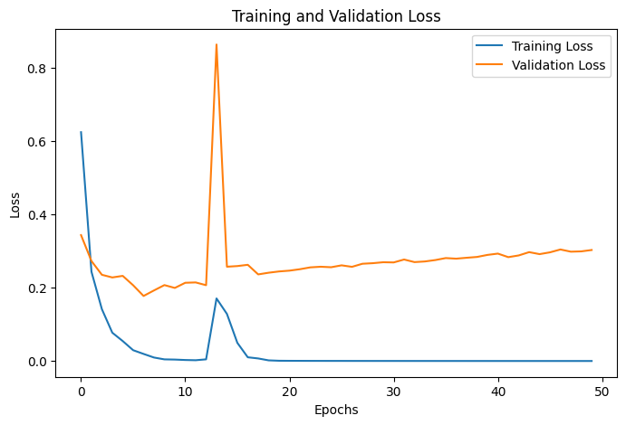
MobileNetV1
Final Validation Accuracy: 94.79%
Test Accuracy: 93.57%

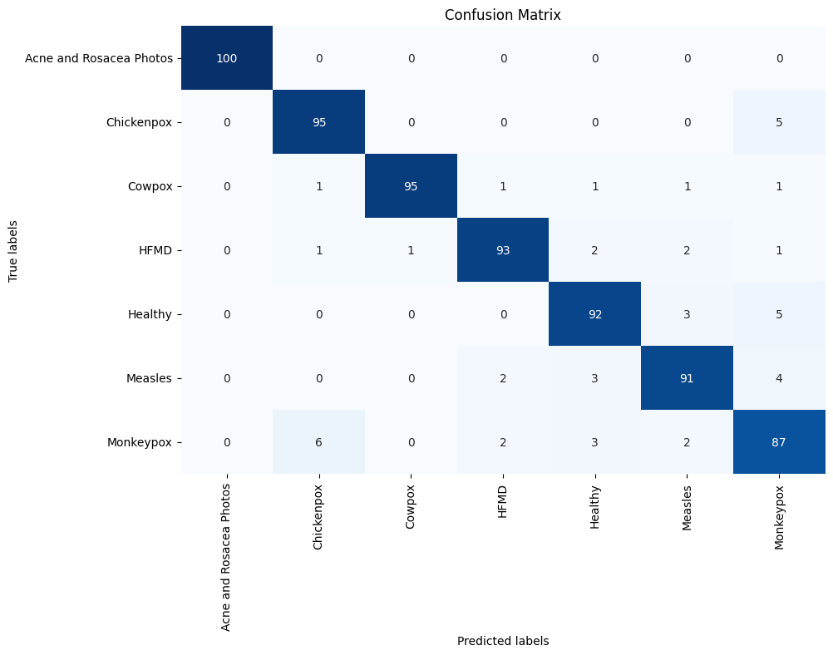
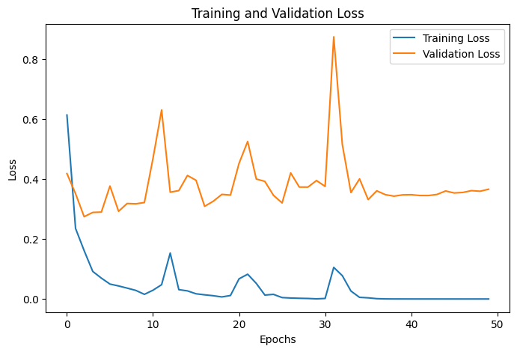
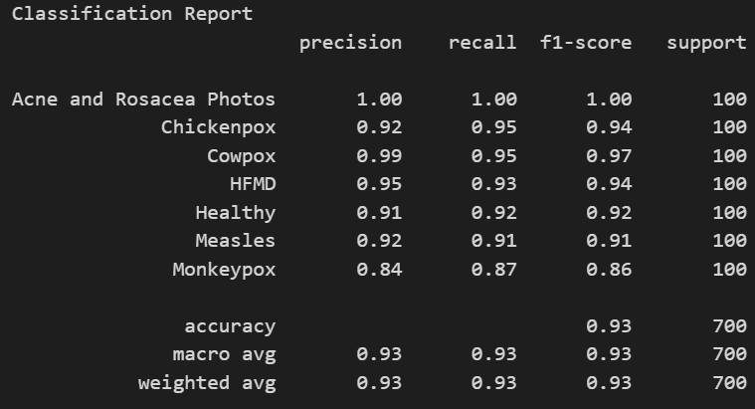
MobileNetV2
Final Validation Accuracy: 93.30%
Test Accuracy: 93.29%

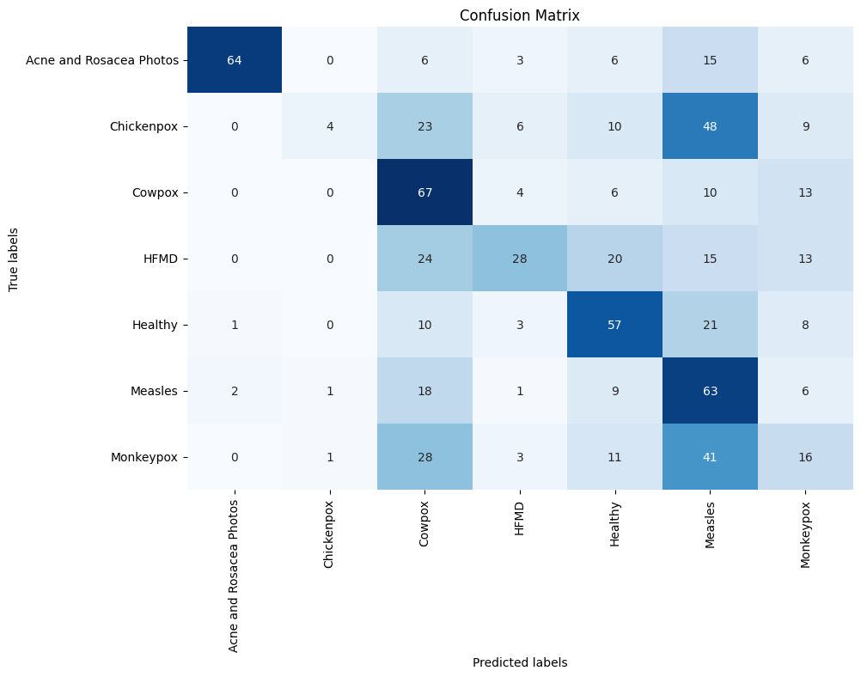
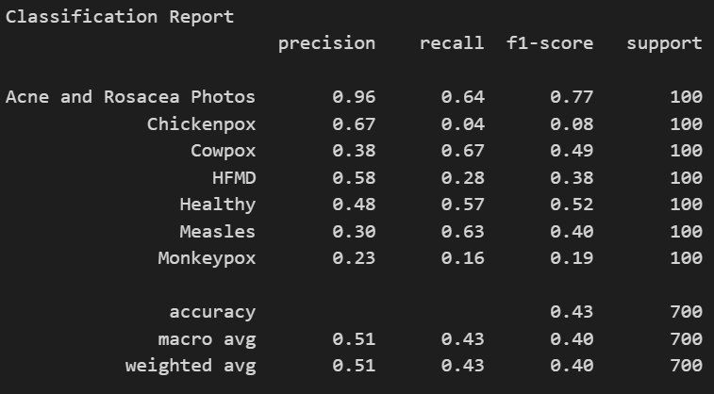
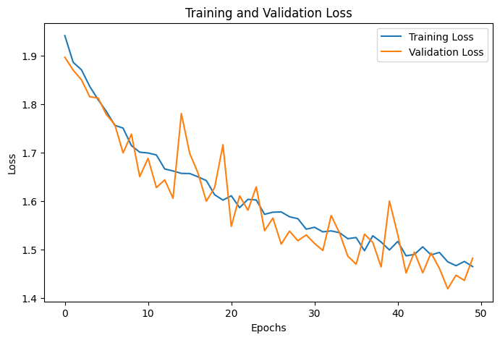
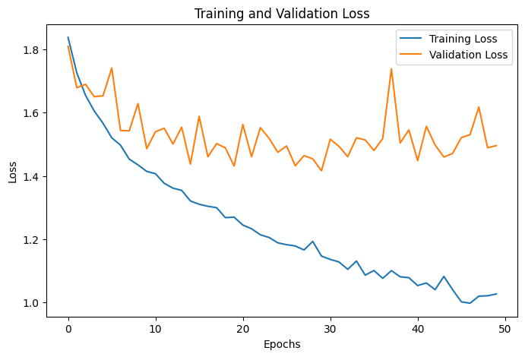
MobileNetV3Small
Final Validation Accuracy: 42.56%
Test Accuracy: 42.71%

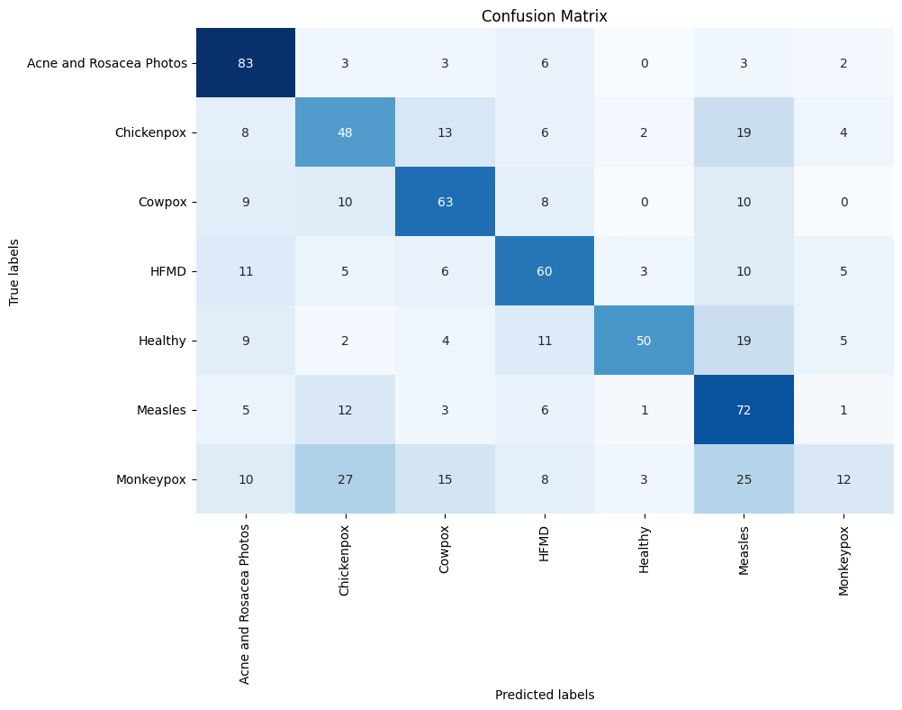
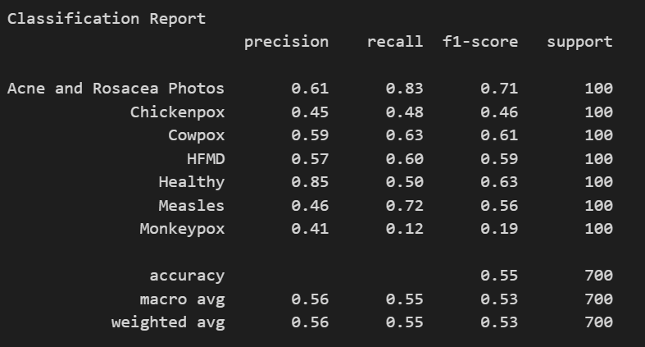
MobileNetV3Large
Final Validation Accuracy: 54.17%
Test Accuracy: 55.43%


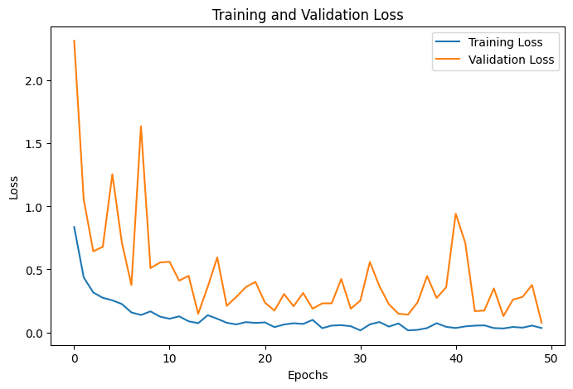

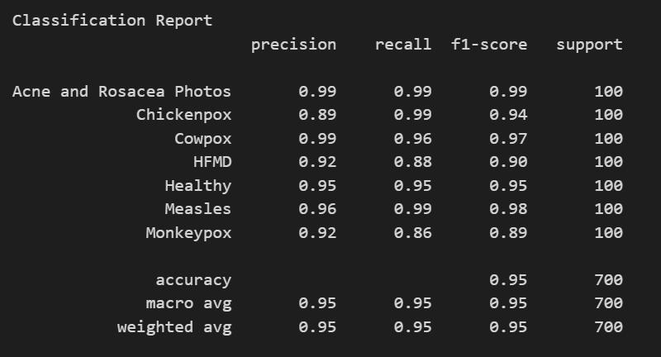
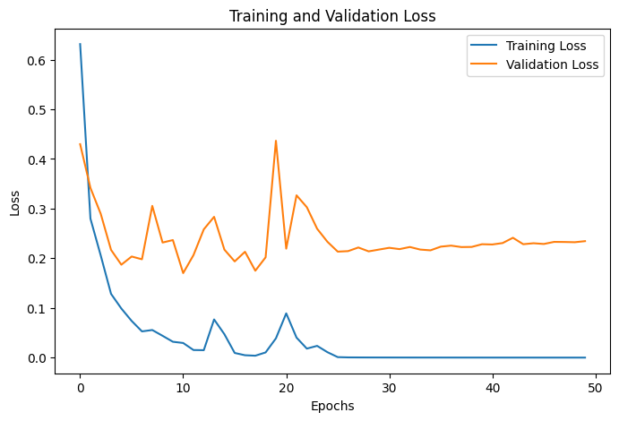

DenseNet121 | SE+DenseNet121
Final Validation Accuracy: 95.24% | Final Validation Accuracy: 97.77%
Test Accuracy: 94.57% | Test Accuracy: 96.86%


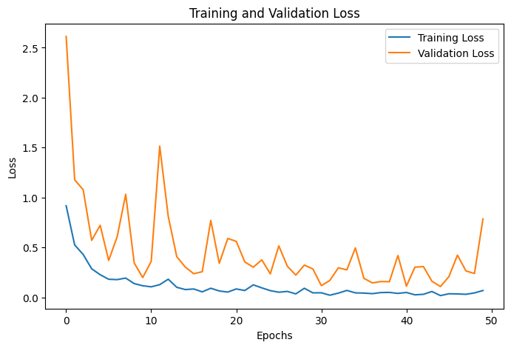
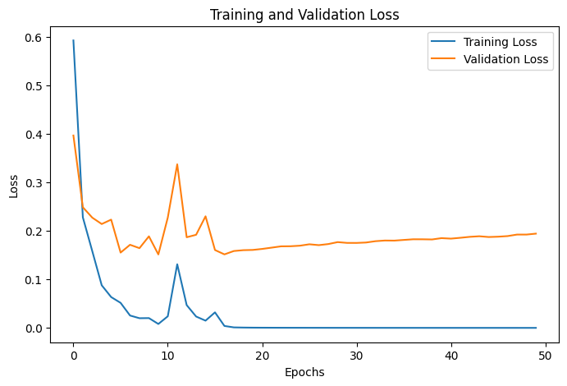
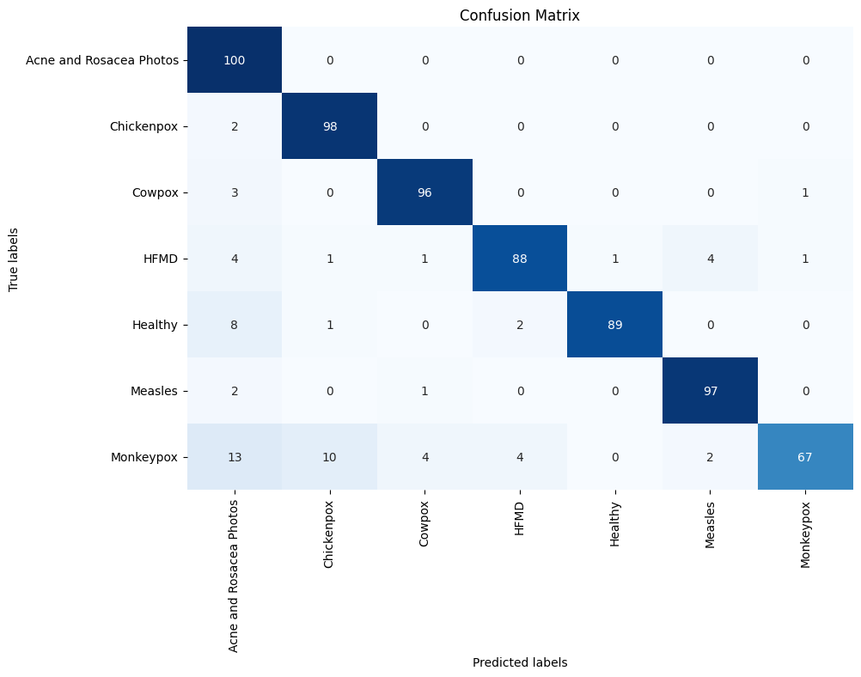

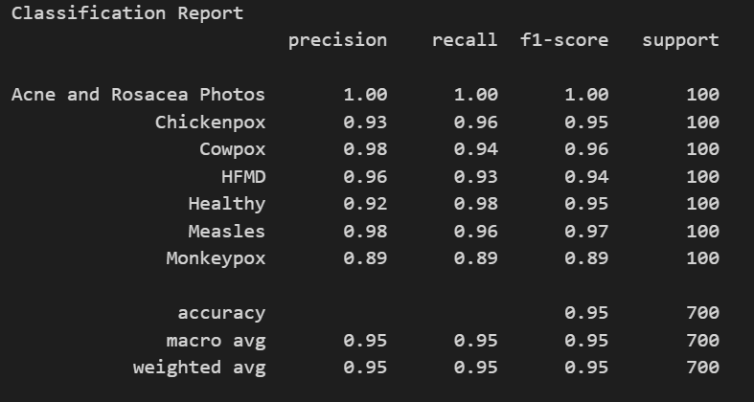
DenseNet169 | SE+DenseNet169
Final Validation Accuracy: 96.13% | Final Validation Accuracy: 94.05%
Test Accuracy: 95.14% | Test Accuracy: 90.71%

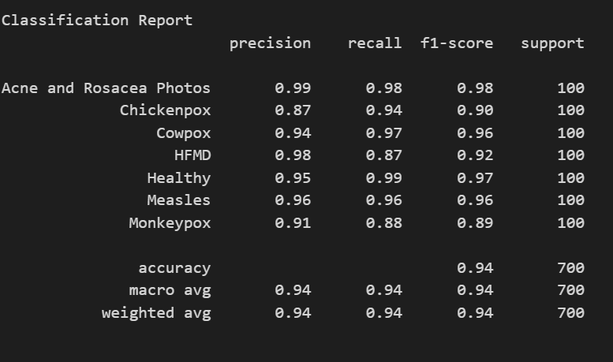
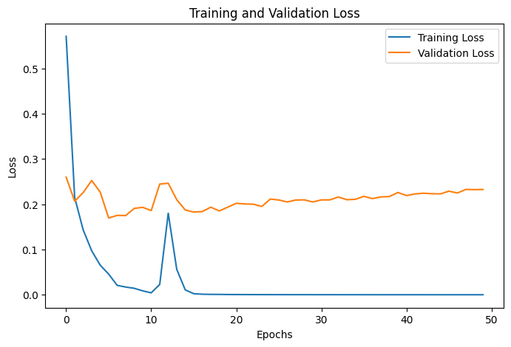

DenseNet201
Final Validation Accuracy: 94.79%
Test Accuracy: 94.14%

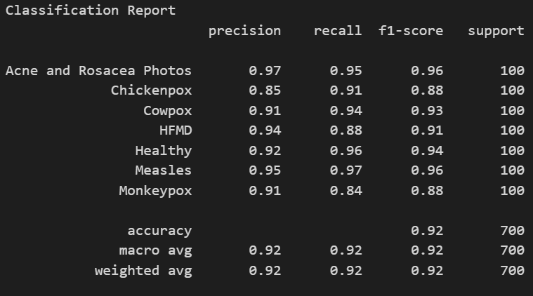
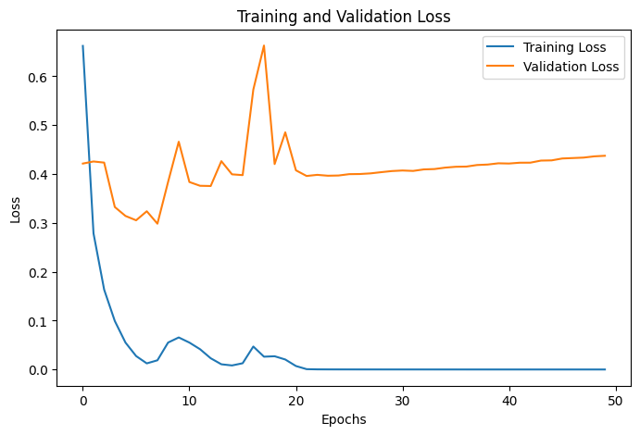

Xception
Final Validation Accuracy: 91.82%
Test Accuracy: 92.14%

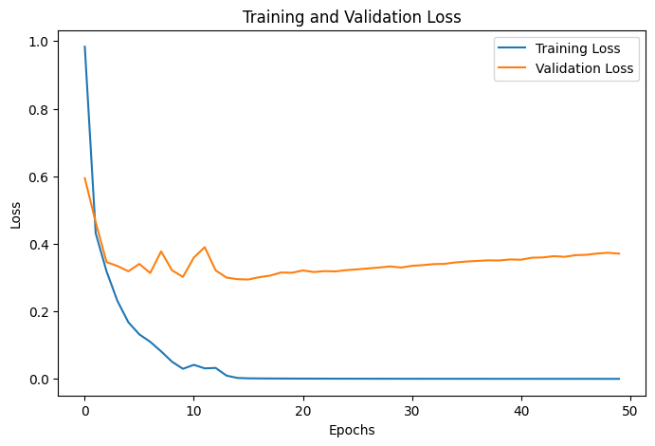

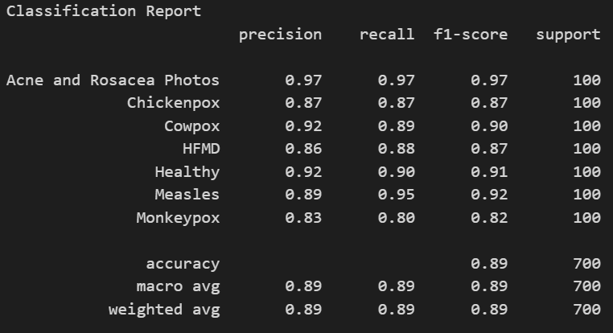
InceptionV3
Final Validation Accuracy: 91.37%
Test Accuracy: 89.43%

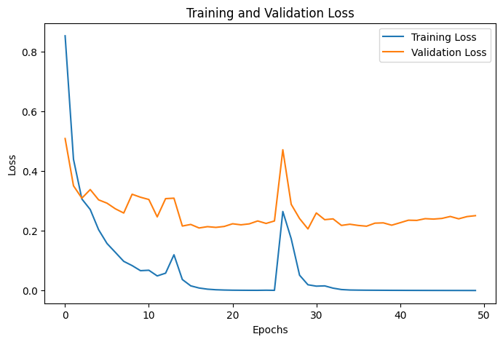
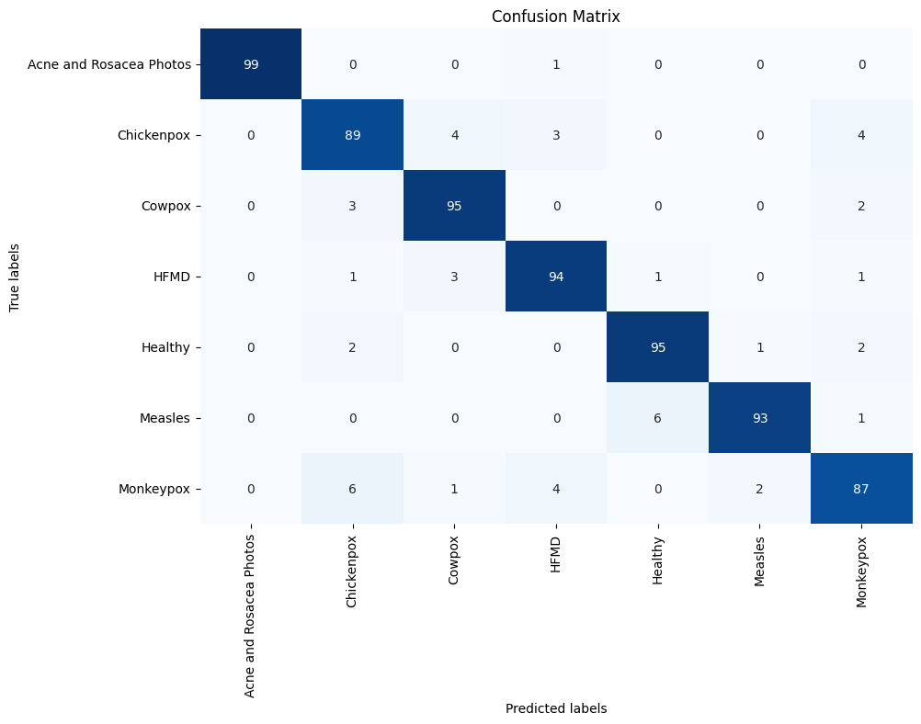

InceptionResNetV2
Final Validation Accuracy: 93.90%
Test Accuracy: 93.14%

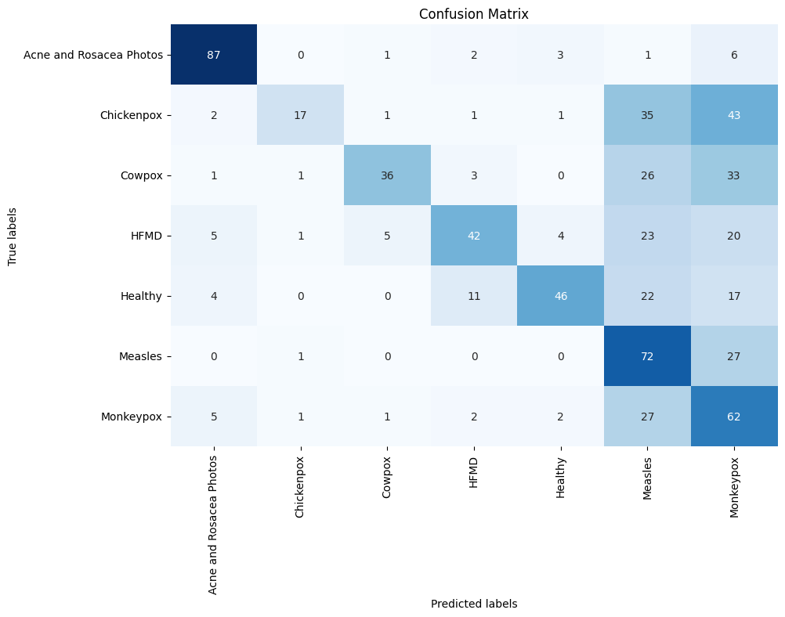

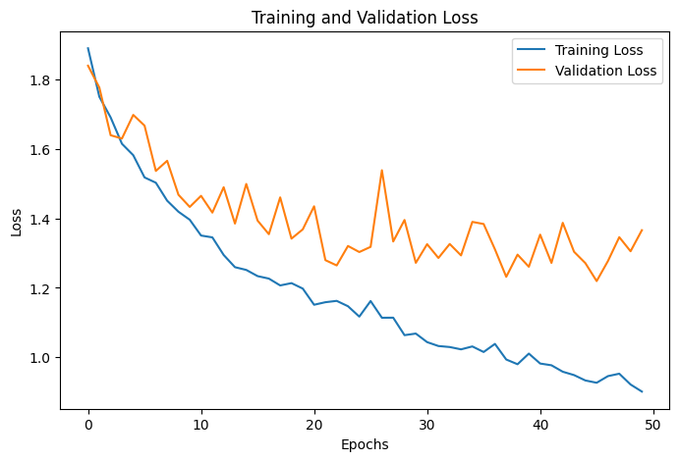

ResNet50
Final Validation Accuracy: 53.12%
Test Accuracy: 51.71%


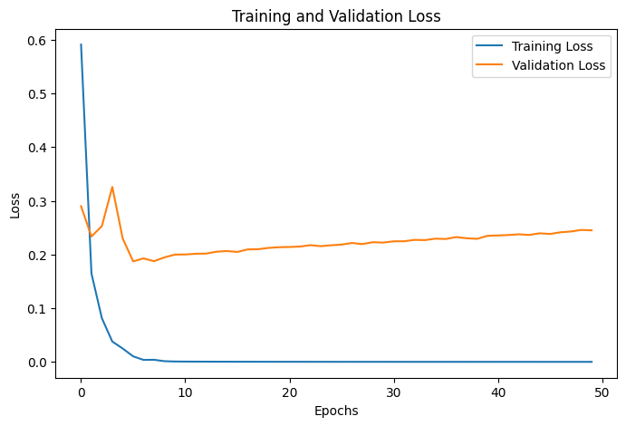

ResNet50V2
Final Validation Accuracy: 94.20%
Test Accuracy: 94.43%

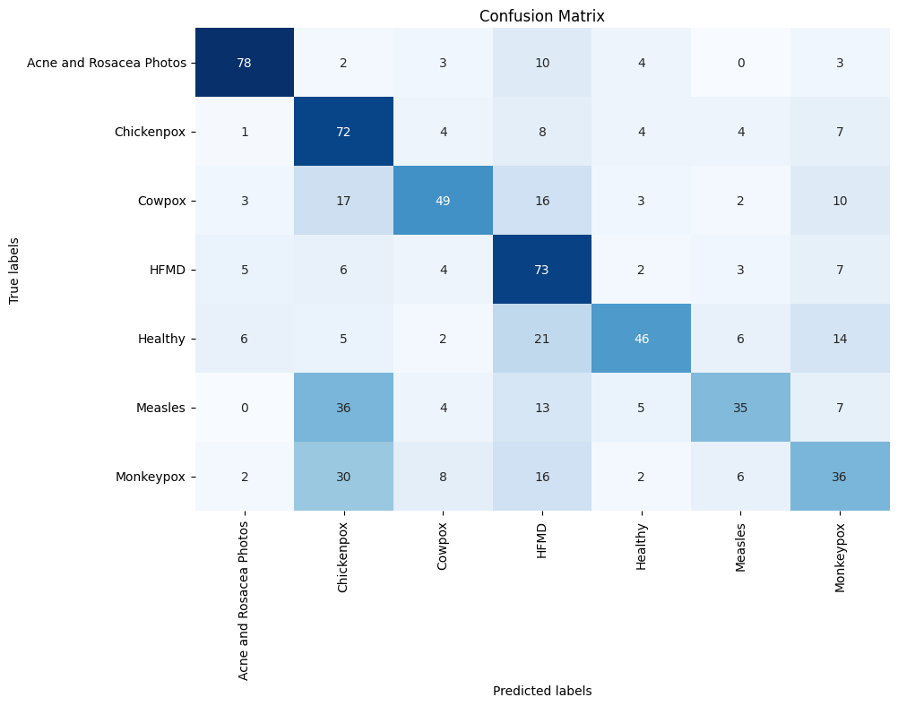

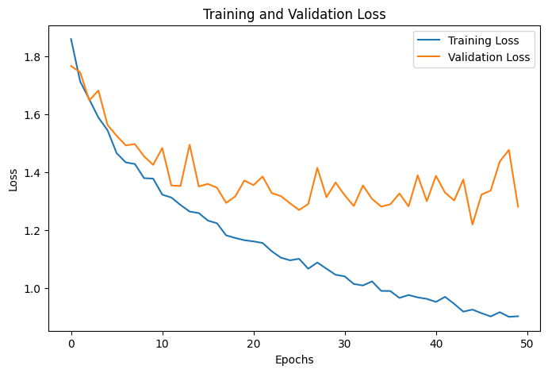
ResNet101
Final Validation Accuracy: 55.95%
Test Accuracy: 55.57%

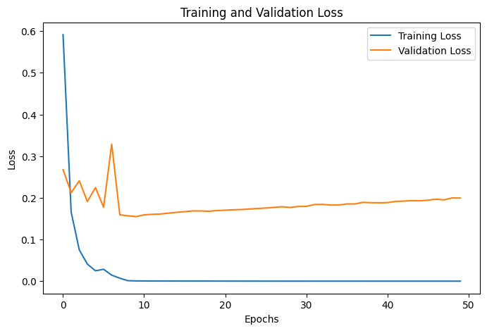


ResNet101V2
Final Validation Accuracy: 94.64%
Test Accuracy: 94.43%

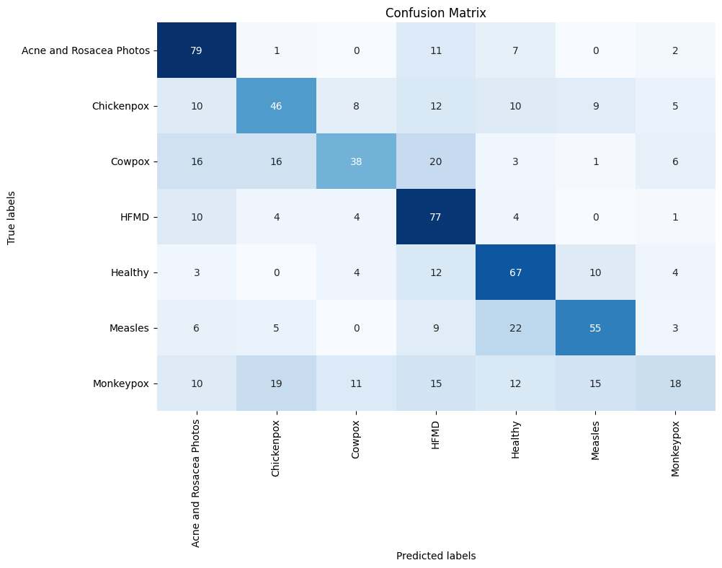
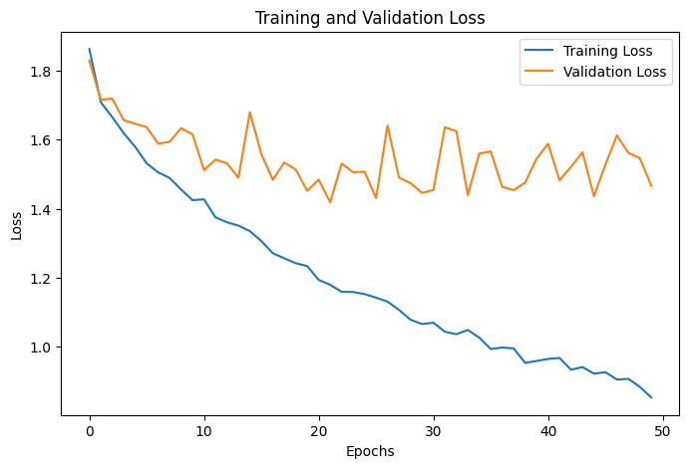
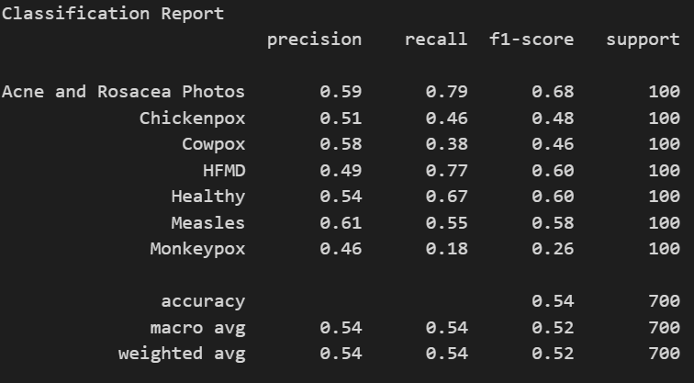
ResNet152
Final Validation Accuracy: 54.61%
Test Accuracy: 54.29%


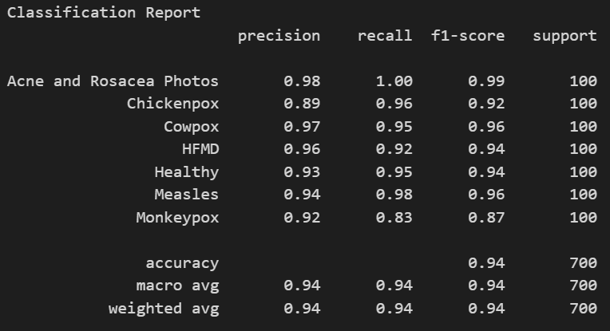
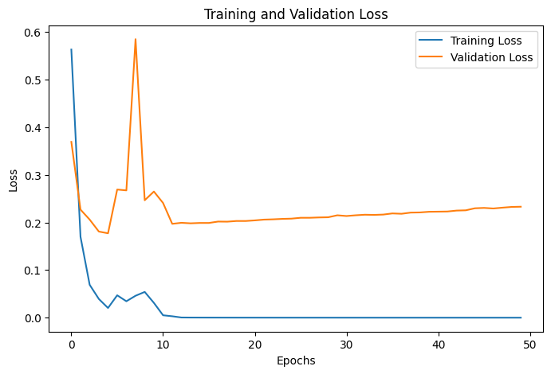
ResNet152V2
Final Validation Accuracy: 94.20%
Test Accuracy: 94.14%


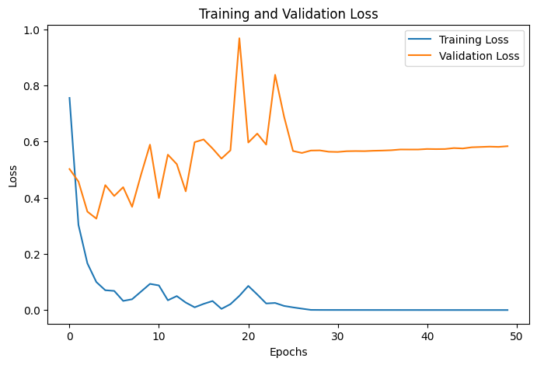

NASNetLarge
Final Validation Accuracy: 90.92%
Test Accuracy: 91.86%

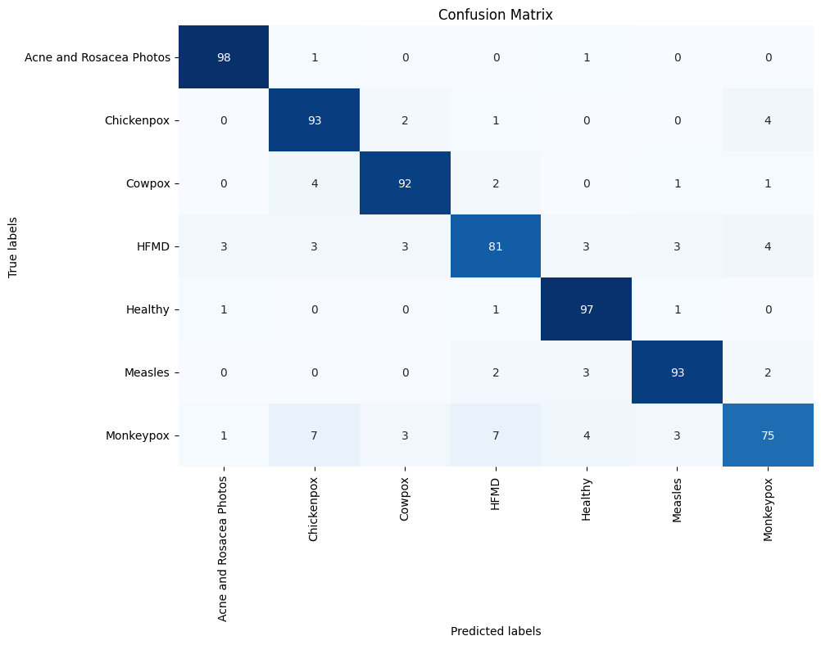
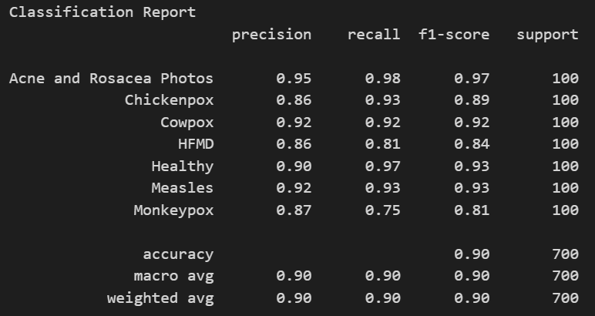
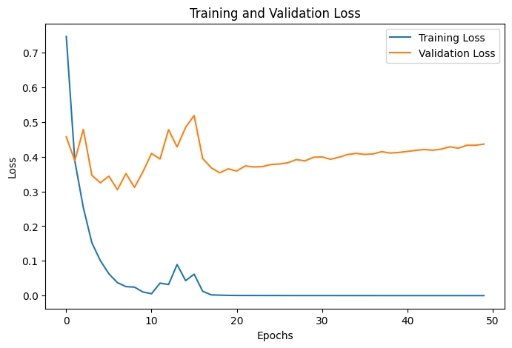

NASNetMobile
Final Validation Accuracy: 90.92%
Test Accuracy: 89.86%

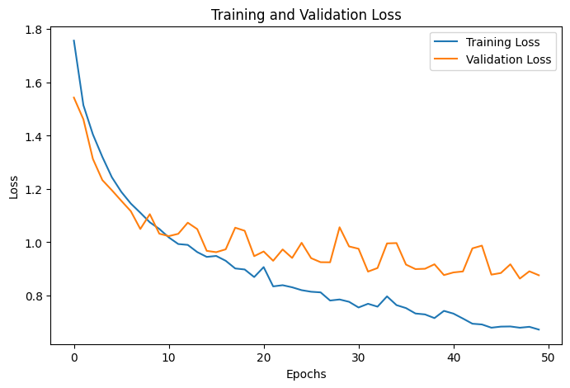
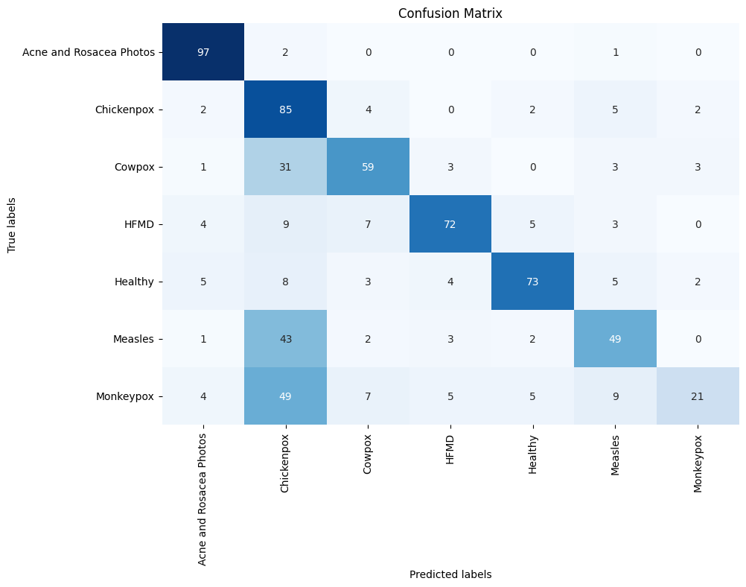
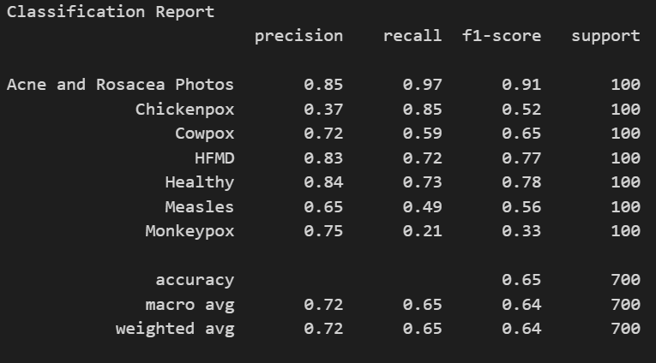
ConvNeXt Tiny
Final Validation Accuracy: 69.05%
Test Accuracy: 65.14%

ConvNeXt Small

ConvNeXt Base

ConvNeXt Large

ConvNeXt XLarge

